table 1
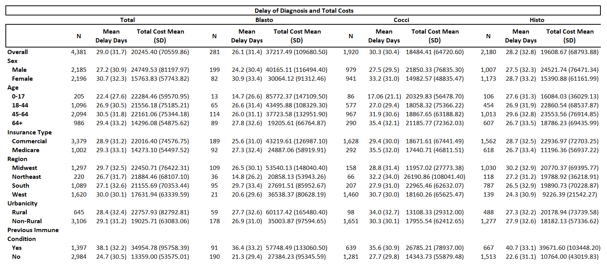

forest plots
 |  |  |  |  |  | delay | N | cost | Lower CI | Upper CI | Point | LB | UB
 |  |  |  |  |  | month 3 | 435 | $15,355.00 | $5,728.31 | $24,982.23 | 0.50 | $9,626.69 | $9,627.23
 |  |  |  |  |  | month 2 | 364 | $4,914.00 | -$5,092.06 | $14,919.17 | 1.00 | $10,006.06 | $10,005.17
 |  |  |  |  |  | month 1 | 569 | $4,930.00 | -$4,226.29 | $14,085.40 | 1.50 | $9,156.29 | $9,155.40
 |  |  |  |  |  |  |  |  |  |  | 2.00
 |  |  |  |  |  | month 3 | 595 | $14,614.00 | $7,151.75 | $22,076.83 | 2.50 | $7,462.25 | $7,462.83
 |  |  |  |  |  | month 2 | 359 | $15,223.00 | $6,407.51 | $24,038.73 | 3.00 | $8,815.49 | $8,815.73
 |  |  |  |  |  | month 1 | 405 | $15,550.80 | $7,114.89 | $23,985.75 | 3.50 | $8,435.91 | $8,434.95
 |  |  |  |  |  |  |  |  |  |  | 4.00
 |  |  |  |  |  | month 3 | 1,030 | $15,647.70 | $8,600.48 | $22,694.83 | 4.50 | $7,047.22 | $7,047.13
 |  |  |  |  |  | month 2 | 723 | $13,790.30 | $6,267.26 | $21,313.34 | 5.00 | $7,523.04 | $7,523.04
 |  |  |  |  |  | month 1 | 974 | $12,432.60 | $7,147.12 | $19,564.12 | 5.50 | $5,285.48 | $7,131.52
Avg. Extra Costs by Monthly Delay in Pathogen Diagnosis
 | cost
month 3 | $15,355.00 | $15,355.00 | 0.50
month 2 | $4,914.00 | $4,914.00 | 1.00
month 1 | $4,930.00 | $4,930.00 | 1.50
 |  |  | 2.00
month 3 | $14,614.00 | $14,614.00 | 2.50
month 2 | $15,223.00 | $15,223.00 | 3.00
month 1 | $15,550.80 | $15,550.80 | 3.50
 |  |  | 4.00
month 3 | $15,647.70 | $15,647.70 | 4.50
month 2 | $13,790.30 | $13,790.30 | 5.00
month 1 | $12,432.60 | $12,432.60 | 5.50

 |  |  |  |  |  |  |  |  |  |  |  |  |  | tab

 | Delay Days | N | Estimate | 2.5 CI | 97.5 CI

1-30 Days
31-60 Days
 | No delay | 1,654 | Ref | - | -
All Pathogens | >= 30 | 974 | $12,432.60 | $7,147.12 | $19,564.12
 | 30-60 | 723 | $13,790.30 | $6,267.26 | $21,313.34
61-90 Days
 | 60-90 | 1,030 | $15,647.70 | $8,600.48 | $22,694.83

1-30 Days
31-60 Days
 | No delay | 978 | Ref | - | -
Histoplasmosis | >= 30 | 350 | $15,550.80 | $7,114.89 | $23,985.75
 | 30-60 | 319 | $15,223.00 | $6,407.51 | $24,038.73
61-90 Days
 | 60-90 | 533 | $14,614.00 | $7,151.75 | $22,076.83

1-30 Days
31-60 Days
 | No delay | 552 | Ref | - | -
Coccidioidomycosis | >= 30 | 569 | $4,930.00 | -$4,226.29 | $14,085.40
 | 30-60 | 364 | $4,914.00 | -$5,092.06 | $14,919.17
61-90 Days
 | 60-90 | 435 | $15,355.00 | $5,728.31 | $24,982.23

 |  |  | truncated linear results:
 |  |  | # Average increase of $131.00 per day of delay of the three fungal pathogens combined (p < 0.001)
 |  |  | # Average increase of $180.72 per day of delay of cocci (p < 0.001)
 |  |  | # Average increase of $38.00 per day of delay of histo (p = 0.401)

